Case #1
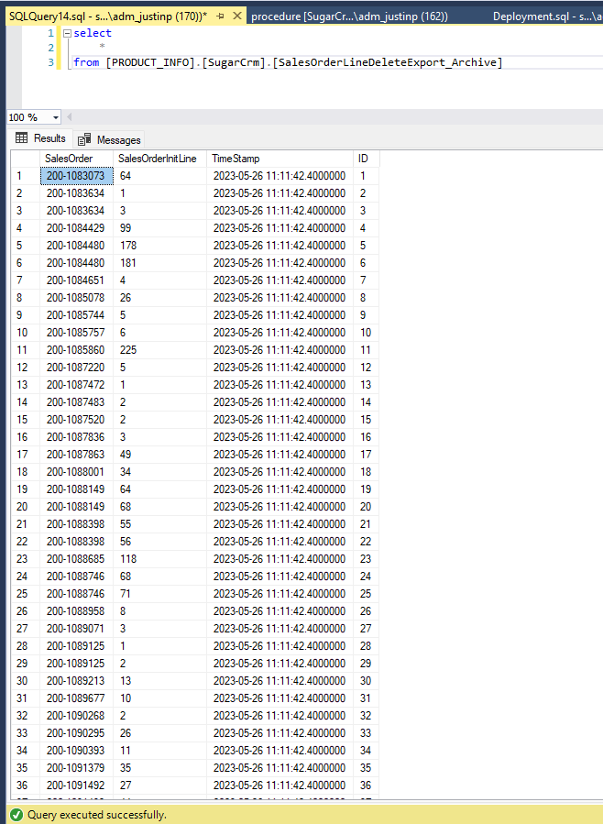
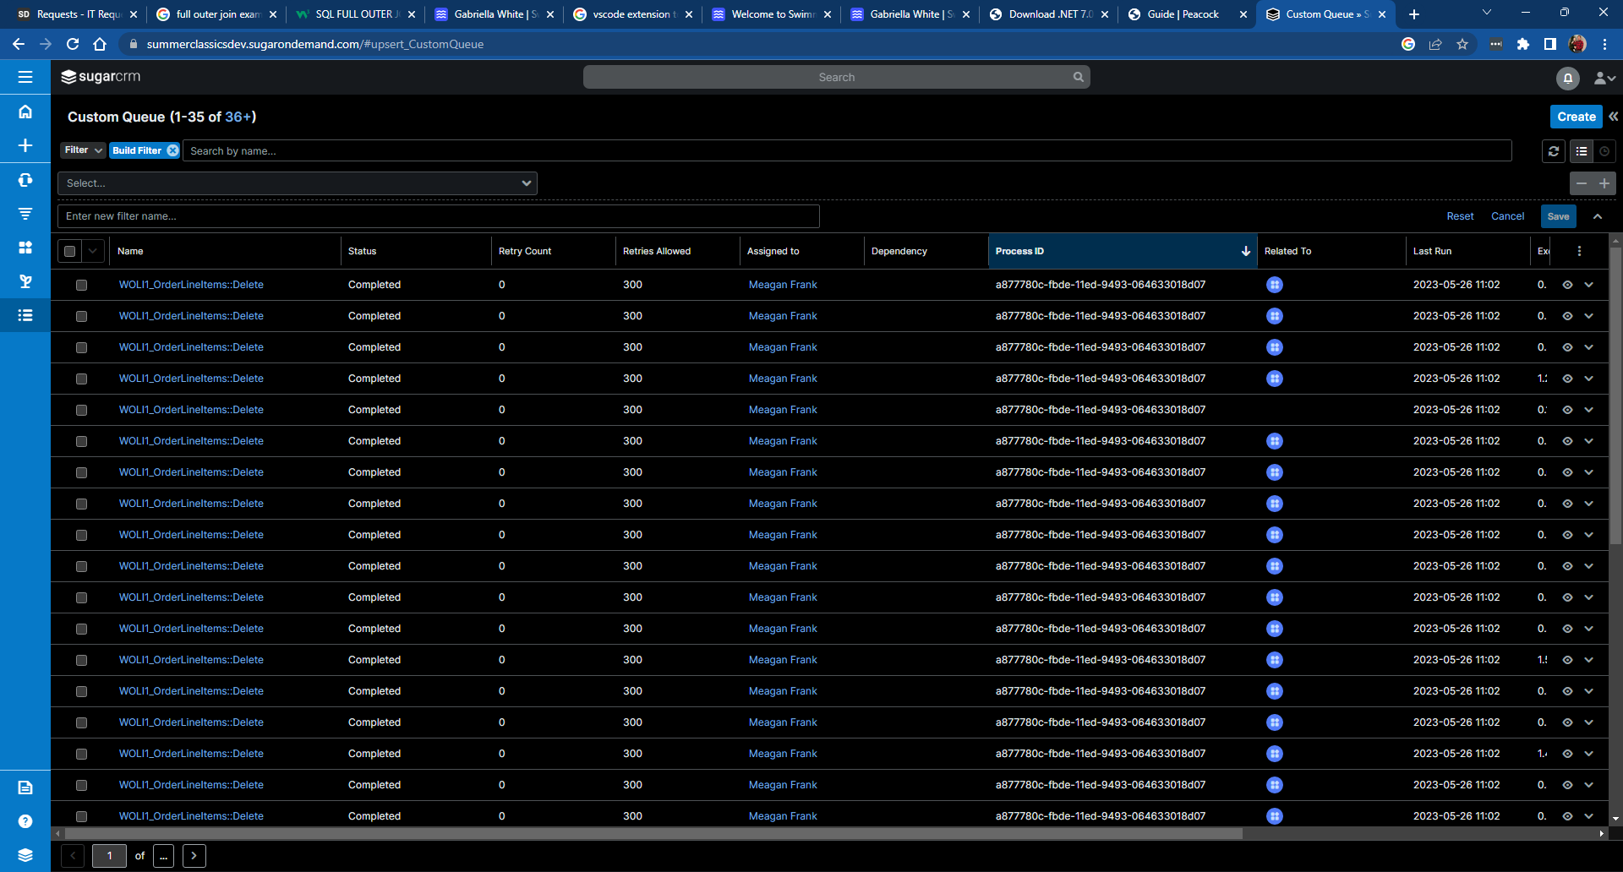
Justin Pope Dev Test
Test Case No. |  | 1
Process |  | Testing New Order Line Export
Test Consideration |  | 1) SSMS access 2) Ability to Access SugarCRM
Test Condition |  |  | Data Used | How To Verify | Actual Results
Tasks
1 |  | Verification | dev data | query database | Screen shot below
Configuration/Data Setup for Testing Scenario
1 |  | Running from Visual Studio
2 |  | Added the Staged record manually
Verification
Test Cast Screens Shots Before and After

 | Validate that there are reference lines that do not exists
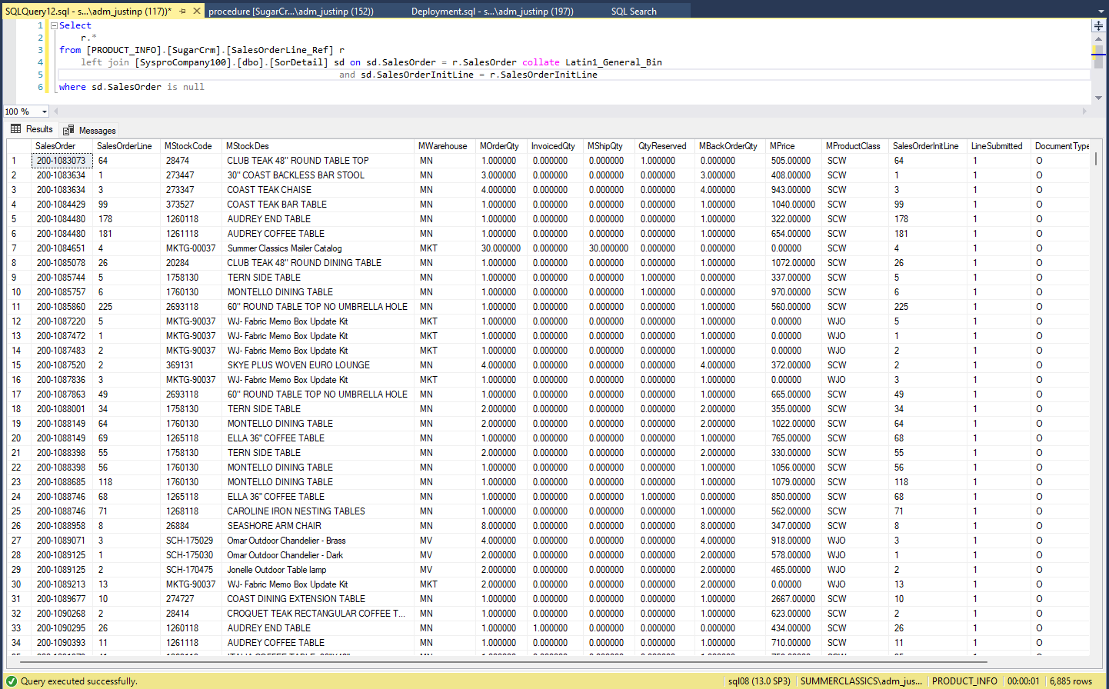

 | Validate that the update proc works
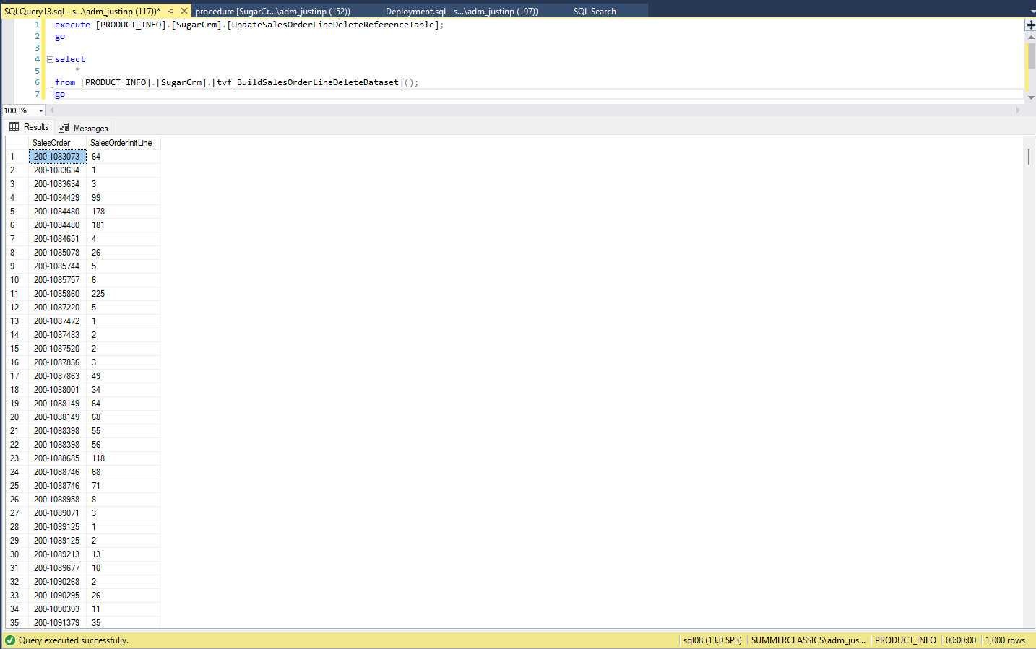

 | Validate that the json format is correct

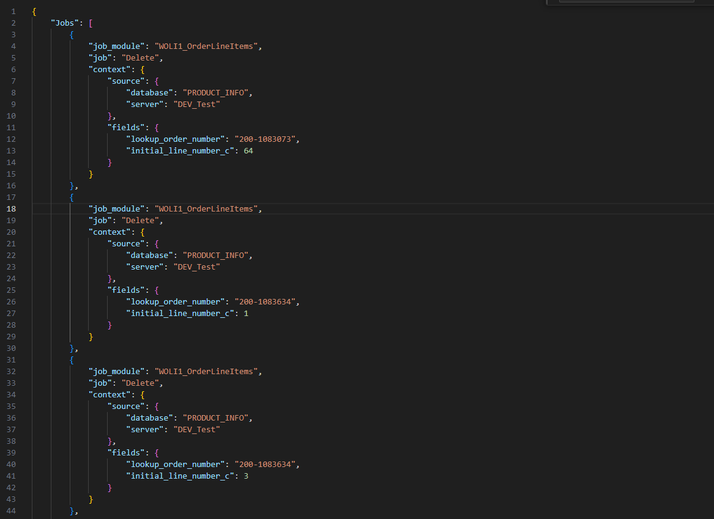

 | Validate that the Talend job will execute correctly
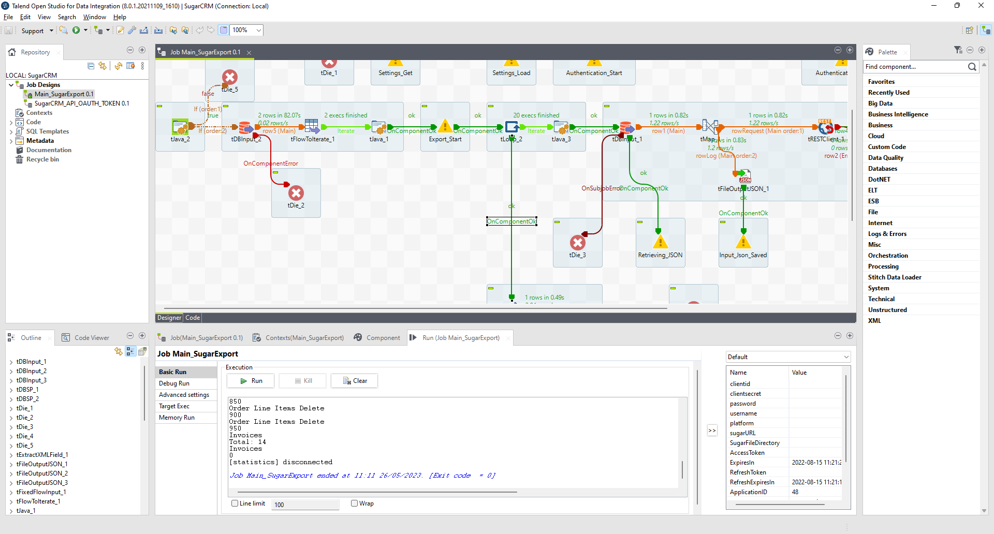

 | Validate the Archive proc

